Exercise 1
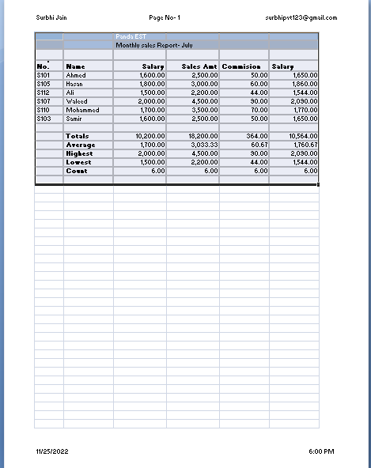
 |  | Panda EST
 |  | Monthly sales Report- July

Emp. No. | Name | Salary | Sales Amt | Commision | Total Salary
S101 | Ahmed | 1,600.00 | 2,500.00 | 50 | 1,650.00
S105 | Hasan | 1,800.00 | 3,000.00 | 60 | 1,860.00
S112 | Ali | 1,500.00 | 2,200.00 | 44 | 1,544.00
S107 | Waleed | 2,000.00 | 4,500.00 | 90 | 2,090.00
S110 | Mohammed | 1,700.00 | 3,500.00 | 70 | 1,770.00
S103 | Samir | 1,600.00 | 2,500.00 | 50 | 1,650.00

 | Totals | 10,200.00 | 18,200.00 | 364 | 10,564.00
 | Average | 1,700.00 | 3,033.33 | 60.67 | 1,760.67
 | Highest | 2,000.00 | 4,500.00 | 90 | 2,090.00
 | Lowest | 1,500.00 | 2,200.00 | 44 | 1,544.00
 | Count | 6 | 6 | 6 | 6

Disclaimer - I have added the header and footer as shown but online excel removed it |  |  |  |  |  | -------------------->

Excercise 3
Maximum Sales in each city
Sales and Profit Report - First Quarter 2012
No. | City | Jan | Feb | Mar | Average | Maximum
C001 | New York | $22,000.00 | $29,000.00 | $19,000.00 | $23,333 | $29,000.00
C002 | Los Angeles | $42,000.00 | $39,000.00 | $43,000.00 | $41,333 | $43,000.00
C003 | London | $18,000.00 | $20,000.00 | $22,000.00 | $20,000 | $22,000.00
C004 | Paris | $35,000.00 | $26,000.00 | $31,000.00 | $30,667 | $35,000.00
C005 | Munich | $12,000.00 | $15,000.00 | $13,000.00 | $13,333 | $15,000.00
 | Total Sales | $129,000.00 | $129,000.00 | $128,000.00
 | Cost | $83,000.00 | $83,000.00 | $45,000.00
Sales And Profit
 | Profit | $46,000.00 | $46,000.00 | $83,000.00
 | 10% Bonus | $4,600.00 | $4,600.00 | $8,300.00

 | Total sales greater than 30,000 | 77000 | 65000 | 74000
 | No sales greater than 30,000 | 2 | 1 | 2

 | 30,000

